Bug Report
Bug Id | Description | Step To Reproduce | Expected Result | Actual Result | Severity | Priority | Screenshot
Bug Id 001 | Label/ Field Email text Is not Proper. * is fond in next of Email Text Ex. Email*: | 1.open the url 2.click on register page 3.check the email text | The email text should be showing Properly. ex.Email: | This email text is shown incorrect way. Its show like Email*: | high | low | 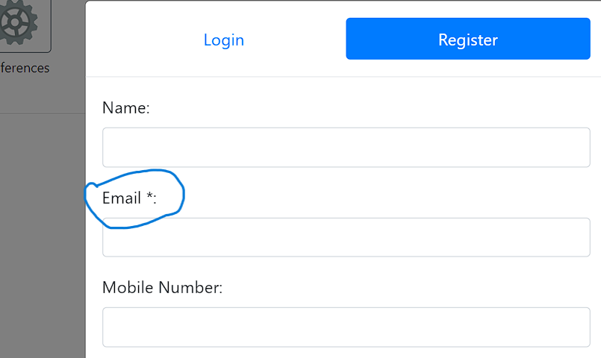
Bug Id 002 | Mobile number field accept numbers with special symbol as well as character. | 1.open the url 2. click on registration page 3.check the phone number input field. 4.Enter symbol and charcters | The result is mobile number input field is accept only numbers. | The actual result is it accept number, symbols as well as charator aslo | high | low | 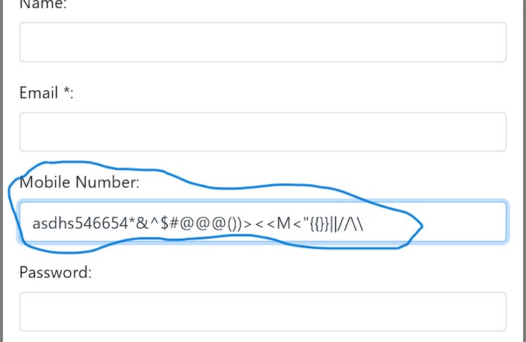
Bug Id 003 | In login page label/field user id is not proper. Ex. User Id*: | 1.open the url 2.click on login page 3.check the user id text | The user id text shoud be showing properly. Ex. User Id: | This user id text is shown incorrect way. Its show like User Id*: | high | low | 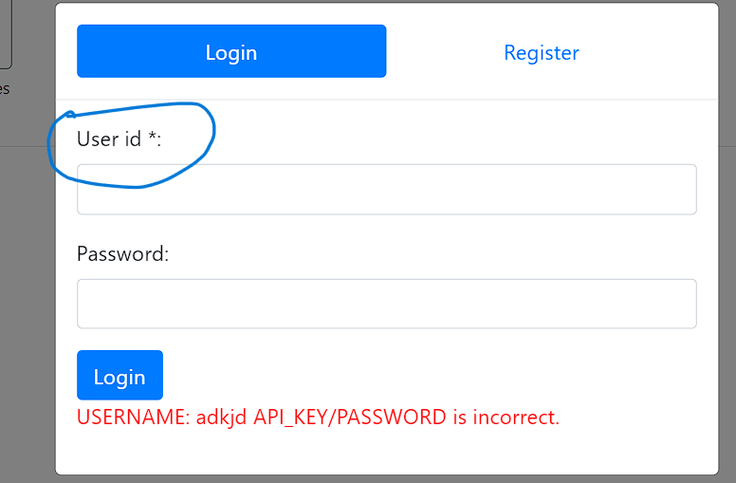
Bug Id 004 | In password field it accepts all lower-case character and not showing any msg to make password like one upper case character then lower case and add symbol or any numbers in your password to make strong password Ex. Vipul@123 | 1.open the url 2.click on register page 3.check the email text 4.put password in only lower case. | give any warnig massage when user put all password in lower case for making password strong | its accept all password in lower case | low | low | 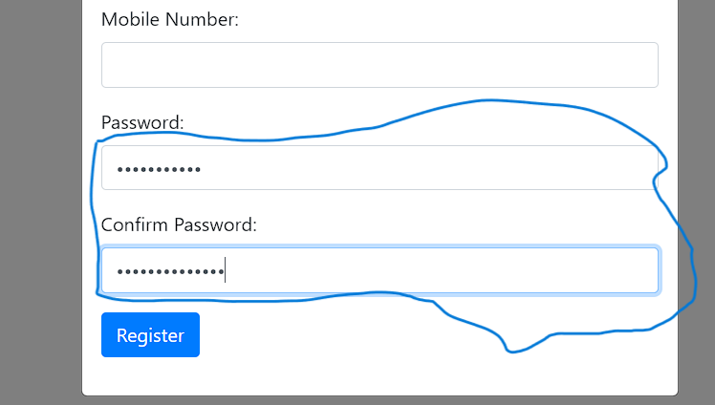
Bug Id 005 | In Name Text field, it accepts name as well as symbol and numbers. | 1.open the url 2.click on register page 3.put in name field as character, symbol and number | name text field accept only charactore only. | Name text field accepts all the stuffs. | high | low
Bug Id 006 | when user login its very hard to logout | 1.open the url 2.Fill all login details 3.click on login 4. Home page displyed 5.try to login | logout button is present on home screen. Explanation = 1)when user try to logout from home screen but he cant because there is no logout button present on home screen. 2) logout button present on when user record the audio then that page logout button present, 3) but some time user cant go on the record page bec its say (sentence not found) then how to logout from home screen. 4) so we add logout button in home screen also. | logout button is not present | High | High | 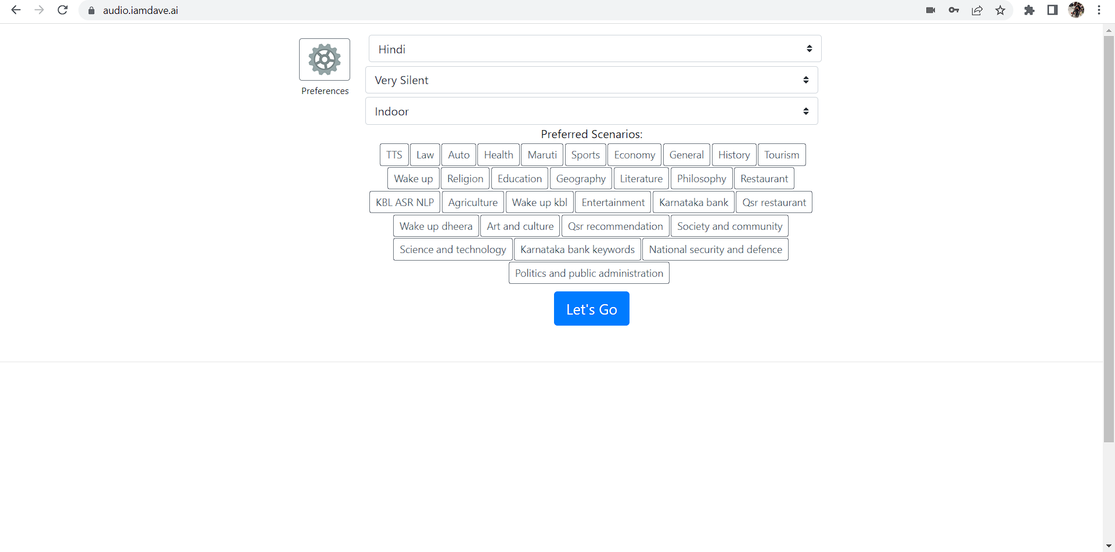
Bug Id 007 | Password is not shown when register or login time And eye option is present on password section | 1.open the url 2.click on register section 3.enter password | Password should be shown and eye button should be present. | Password not shown while enter & eye option is not present | High | High | 